PD1
Artifact Type – Problem Description (Online Project Management System)
A company is comprised of two to eight departments. Each department has an ID and email. A department hires employees for certain projects. Employees working on projects can be temporary or permanent employees. Each employee is identified by a name, email, employee ID, employee number. Projects can be of types - production projects, research projects, education projects, and community projects. All projects have a title, description, budget amount, and deadline. In addition , each education project and community project are associated with one funding group. The funding group can be of types - private group, government group, or mixed group. The production projects are characterized by a site code.

Artifact Type – Some Possible Variations in the Ground Truth Domain Model
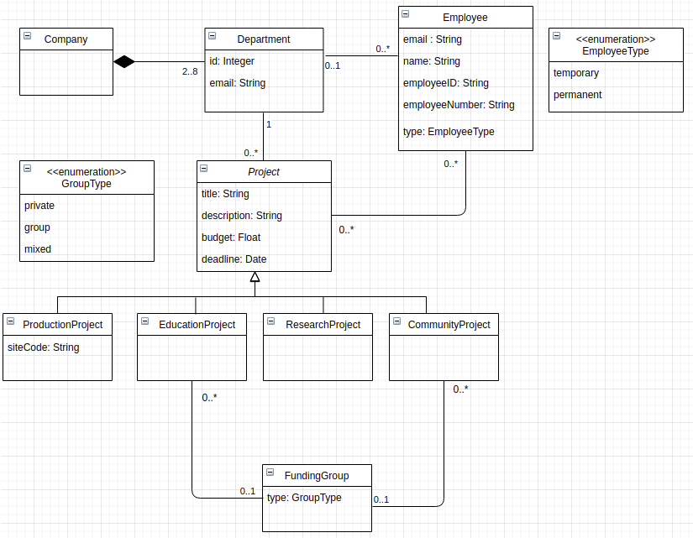
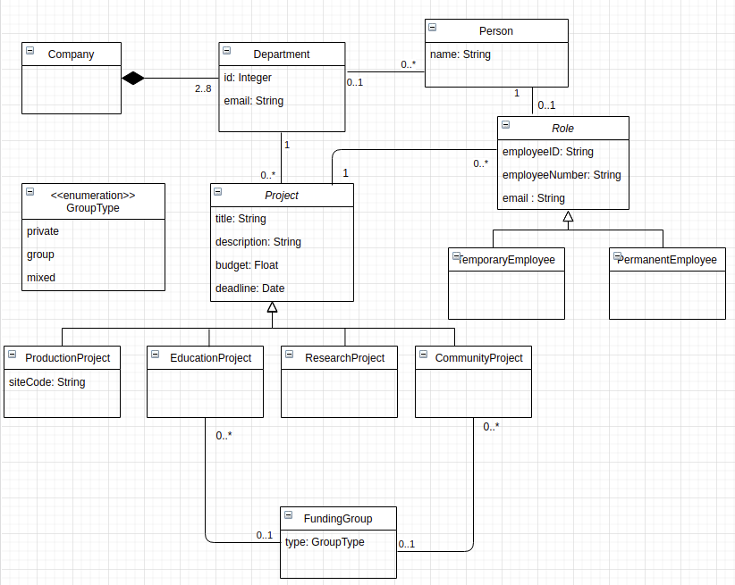

Number of elements in the variation which is closely related to extracted model - Classes – 11, Attributes – 18 (including enumeration items), Relationships (10), Cardinalities (12)

Artifact Type – Extracted Domain Model using our Proposed Tool
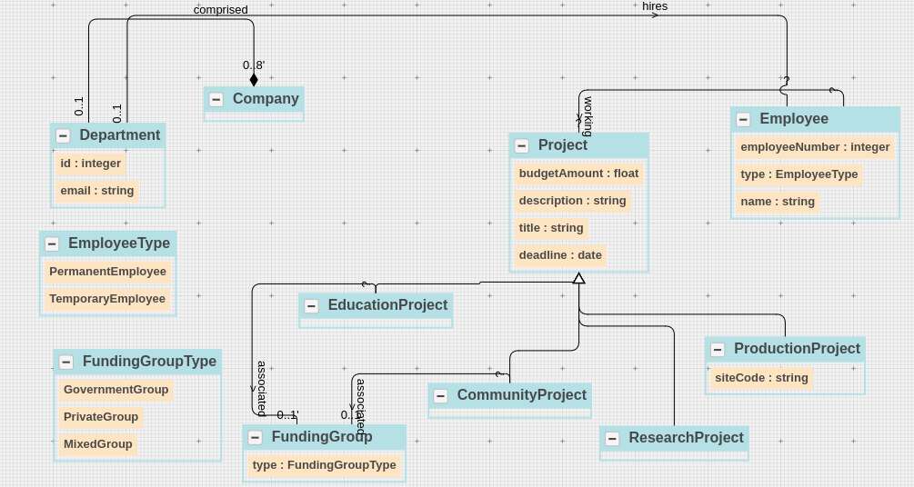

Category | Trace Link Source | Manual Trace Link Target | Manual Meta-data (sentence) | Manual Meta-data (word)
Class | Company | A company is comprised of two to eight departments | S1 | company [1]
Class | Department | A company is comprised of two to eight departments | S1 | departments [8]
 |  | Each department has an ID and email | S2 | departments [1]
 |  | A department hires employees for certain projects | S3 | departments [1]
Class | Employee | A department hires employees for certain projects | S3 | employees [3]
 |  | Employees working on projects can be temporary or permanent employees. | S4 | Employees [0]
 |  | Each employee is identified by a name , email , employee ID , employee number | S5 | employee [1]
Class | Project | A department hires employees for certain projects | S3 | projects [6]
 |  | Projects can be of types - production projects , research projects , education projects , and community projects | S6 | Projects [0]
 |  | Employees working on projects can be temporary or permanent employees . | S4 | projects [3]
 |  | All projects have a title , description , budget amount , and deadline . | S7 | projects [1]
Class | ProductionProject | Projects can be of types - production projects , research projects , education projects , and community projects | S6 | production projects [5,6]
 |  | The production projects are characterized by a site code . | S10 | production projects [1,2]
Class | EducationProject | Projects can be of types - production projects , research projects , education projects , and community projects | S6 | education projects [9,10]
 |  | In addition , each education project and community project are associated with one funding group . | S8 | education projects [3,4]
Class | ResearchProject | Projects can be of types - production projects , research projects , education projects , and community projects | S6 | research projects [7,8]
Class | CommunityProject | Projects can be of types - production projects , research projects , education projects , and community projects | S6 | community projects [12,13]
 |  | In addition , each education project and community project are associated with one funding group . | S8 | community projects [6,7]
Class | FundingGroup | In addition , each education project and community project are associated with one funding group . | S8 | funding group [12,13]
 |  | The funding group can be of types - private group , government group , or mixed group | S9 | funding group [1,2]
Enumeration Class | GroupType | The funding group can be of types - private group , government group , or mixed group | S9 | private group [7,8], government group [9,10] , mixed group [12,13] | The use of Enumeration restricts an object of the FundingGroup class to have one role (among GovernmentGroup, PrivateGroup, MixedGroup) only at a time but the object can have different roles over time (the role of an object can change by changing the value of the Enumeration attribute). Furthermore, the use of the Enumeration class is appropriate in the current scenario as the roles (GovernmentGroup, PrivateGroup, MixedGroup) do not have different features (attributes or relationships).
Enumeration Class | EmployeeType | Employees working on projects can be temporary or permanent employees . | S4 | temporary [3] permanent employees [5,6]
Class - Relevant Links (TP + FN) |  |  | 22
Attribute | id (Department class) | Each department has an ID and email | S2 | ID [4]
Attribute | email (Department class) | Each department has an ID and email | S2 | email [6]
Attribute | name (Employee class) | Each employee is identified by a name , email , employee ID , employee number | S5 | name [6]
Attribute | email (Employee class) | Each employee is identified by a name , email , employee ID , employee number | S5 | email [7]
Attribute | employeeId (Employee class) | Each employee is identified by a name , email , employee ID , employee number | S5 | employee ID [8,9]
Attribute | type (Employee class) | Employees working on projects can be temporary or permanent employees . | S4 | temporary or permanent employees [6,8] | The use of Enumeration restricts an object of the Employee class to have one role (among PermanentEmployee, TemporaryEmployee) only at a time but the object can have different roles over time (the role of an object can change by changing the value of the Enumeration attribute). Furthermore, the use of the Enumeration attribute is appropriate in the current scenario as the roles (PermanentEmployee, TemporaryEmployee) do not have different features (attributes or relationships).
Attribute | employeeNumber (Employee class) | Each employee is identified by a name , email , employee ID , employee number | S5 | employee number [10,11]
Attribute | title (Project class) | All projects have a title , description , budget amount , and deadline . | S7 | title [4]
Attribute | description (Project class) | All projects have a title , description , budget amount , and deadline . | S7 | description [5]
Attribute | budgetAmount (Project class) | All projects have a title , description , budget amount , and deadline . | S7 | budget amount [6,7]
Attribute | deadline (Project class) | All projects have a title , description , budget amount , and deadline . | S7 | deadline [9]
Attribute | siteCode (ProductionProject Class) | The production projects are characterized by a site code . | S10 | site code [7,8]
Attribute | type (FundingGroup) | The funding group can be of types - private group , government group , or mixed group | S9 | private group [7,8], government group [9,10] , mixed group [12,13] | The use of Enumeration restricts an object of the FundingGroup class to have one role (among GovernmentGroup, PrivateGroup, MixedGroup) only at a time but the object can have different roles over time (the role of an object can change by changing the value of the Enumeration attribute). Furthermore, the use of the Enumeration attribute is appropriate in the current scenario as the roles (GovernmentGroup, PrivateGroup, MixedGroup) do not have different features (attributes or relationships).
Enumeration Item | government (GroupType Class) | The funding group can be of types - private group , government group , or mixed group | S9 | government group [9,10]
Enumeration Item | private (GroupType Class) | The funding group can be of types - private group , government group , or mixed group | S9 | private group [7,8],
Enumeration Item | mixed (GroupType Class) | The funding group can be of types - private group , government group , or mixed group | S9 | mixed group [12,13]
Enumeration Item | temporary (EmployeeType Class) | Employees working on projects can be temporary or permanent employees . | S4 | temporary [3]
Enumeration Item | permanent (EmployeeType Class) | Employees working on projects can be temporary or permanent employees . | S4 | permanent employees [5,6]
Attributes - Relevant Links (TP + FN) |  |  | 18
Relationship | Company-Composition-Department | A company is comprised of two to eight departments | S1 | Comprised [3]
Relationship | Department-association-Employee | A department hires employees for certain projects | S3 | hires [2]
Relationship | Department-association-Project | A department hires employees for certain projects | S3 | NA
Relationship | Project-association-Employee | A department hires employees for certain projects | S3 | for [4]
Relationship | Project-Generalization-EducationProject | Projects can be of types - production projects , research projects , education projects , and community projects | S6 | can be [1,2]
Relationship | Project-Generalization-ResearchProject | Projects can be of types - production projects , research projects , education projects , and community projects | S6 | can be [1,2]
Relationship | Project-Generalization-CommunityProject | Projects can be of types - production projects , research projects , education projects , and community projects | S6 | can be [1,2]
Relationship | Project-Generalization-ProdcutionProject | Projects can be of types - production projects , research projects , education projects , and community projects | S6 | can be [1,2]
Relationship | EducationProject-association-FundingGroup | In addition , each education project and community project are associated with one funding group . | S8 | associated [9]
Relationship | CommunityProject-association-FundingGroup | In addition , the education projects and community projects are associated with a funding group . | S8 | associated [9]
Relationships - Relevant Links (TP + FN) |  |  | 10
Cardinality | Company – composition – 2..8 Department | A company is comprised of two to eight departments | S1 | two to eight [7]
Cardinality | 1 Company – composition – Department | A company is comprised of two to eight departments | S1 | a company is comprised [0,1,2,3]
Cardinality | EducationProject – association – 0..1 FundingGroup | In addition , each education project and community project are associated with one funding group . | S8 | one [11]
Cardinality | CommunityProject – association – 0..1 FundingGroup | In addition , each education project and community project are associated with one funding group . | S8 | one [11]
Cardinality | 0..1 Department - association – Employee | A department hires employees for certain projects | S3 | a department [0,1]
Cardinalities - Relevant Links (TP + FN) |  |  | 5

Total Relevant Links (TP + FN) |  |  | 55

Category | Trace Link Source | Automatic Trace Link Result from Proposed Tool | Tool Meta-data (sentence) | Tool Meta-data (word) | Tool Rationale in NL | Relevant Links with respect to Ground Truth
Class | Company | A company is comprised of two to eight departments | S1 | company [1] |  | 1
Class | Department | A company is comprised of two to eight departments | S1 | departments [8] |  | 1
 |  | Each department has an ID and email | S2 | departments [1] |  | 1
 |  | A department hires employees for certain projects | S3 | departments [1] |  | 1
Class | Employee | A department hires employees for certain projects | S3 | employees [3] |  | 1
 |  | Employees working on projects can be temporary or permanent employees. | S4 | Employees [0] |  | 1
 |  | Each employee is identified by a name , email , employee ID , employee number | S5 | employee [1] |  | 1
Class | Project | A department hires employees for certain projects | S3 | projects [6] |  | 1
 |  | Projects can be of types - production projects , research projects , education projects , and community projects | S6 | Projects [0] |  | 1
 |  | Employees working on projects can be temporary or permanent employees . | S4 | projects [3] |  | 1
 |  | All projects have a title , description , budget amount , and deadline . | S7 | projects [1] |  | 1
Class | ProductionProject | Projects can be of types - production projects , research projects , education projects , and community projects | S6 | production projects [5,6] |  | 1
 |  | The production projects are characterized by a site code . | S10 | production projects [1,2] |  | 1
Class | EducationProject | Projects can be of types - production projects , research projects , education projects , and community projects | S6 | education projects [9,10] |  | 1
 |  | In addition , each education project and community project are associated with one funding group . | S8 | education projects [3,4] |  | 1
Class | ResearchProject | Projects can be of types - production projects , research projects , education projects , and community projects | S6 | research projects [7,8] |  | 0.5
Class | CommunityProject | Projects can be of types - production projects , research projects , education projects , and community projects | S6 | community projects [12,13] |  | 0.5
 |  | In addition , each education project and community project are associated with one funding group . | S8 | community projects [6,7] |  | 1
Class | FundingGroup | In addition , each education project and community project are associated with one funding group . | S8 | funding group [12,13] |  | 0.25
 |  | The funding group can be of types - private group , government group , or mixed group | S9 | funding group [1,2] |  | 1
Enumeration Class | GroupType | The funding group can be of types - private group , government group , or mixed group | S9 | can be [3,4] | The use of Enumeration restricts an object of the FundingGroup class to have one role (among GovernmentGroup, PrivateGroup, MixedGroup) only at a time but the object can have different roles over time (the role of an object can change by changing the value of the Enumeration attribute). Furthermore, the use of the Enumeration class is appropriate in the current scenario as the roles (GovernmentGroup, PrivateGroup, MixedGroup) do not have different features (attributes or relationships). | 0.25
Enumeration Class | EmployeeType | Employees working on projects can be temporary or permanent employees . | S4 | can be [5,6] | The use of Enumeration restricts an object of the Employee class to have one role (among PermanentEmployee, TemporaryEmployee) only at a time but the object can have different roles over time (the role of an object can change by changing the value of the Enumeration attribute). Furthermore, the use of the Enumeration class is appropriate in the current scenario as the roles (PermanentEmployee, TemporaryEmployee) do not have different features (attributes or relationships). | 0.25
Class – Retrieved Links (TP + FP) |  |  | 19 |  | Class – Retrieved Relevant Links (TP) | 18.75
Attribute | id (Department class) | Each department has an ID and email | S2 | ID [4] |  | 1
Attribute | email (Department class) | Each department has an ID and email | S2 | email [6] |  | 1
Attribute | name (Employee class) | Each employee is identified by a name , email , employee ID , employee number | S5 | name [6] |  | 1
Attribute | type (Employee class) | Employees working on projects can be temporary or permanent employees . | S4 | can be [1,2] | The use of Enumeration restricts an object of the Employee class to have one role (among PermanentEmployee, TemporaryEmployee) only at a time but the object can have different roles over time (the role of an object can change by changing the value of the Enumeration attribute). Furthermore, the use of the Enumeration attribute is appropriate in the current scenario as the roles (PermanentEmployee, TemporaryEmployee) do not have different features (attributes or relationships). | 0.5
Attribute | employeeNumber (Employee class) | Each employee is identified by a name , email , employee ID , employee number | S5 | employee number [10,11] |  | 1
Attribute | title (Project class) | All projects have a title , description , budget amount , and deadline . | S7 | title [4] |  | 1
Attribute | description (Project class) | All projects have a title , description , budget amount , and deadline . | S7 | description [5] |  | 1
Attribute | budgetAmount (Project class) | All projects have a title , description , budget amount , and deadline . | S7 | budget amount [6,7] |  | 1
Attribute | deadline (Project class) | All projects have a title , description , budget amount , and deadline . | S7 | deadline [9] |  | 1
Attribute | siteCode (ProductionProject Class) | The production projects are characterized by a site code . | S10 | site code [7,8] |  | 1
Attribute | type (FundingGroup) | The funding group can be of types - private group , government group , or mixed group | S9 | can be [3,4] | The use of Enumeration restricts an object of the FundingGroup class to have one role (among GovernmentGroup, PrivateGroup, MixedGroup) only at a time but the object can have different roles over time (the role of an object can change by changing the value of the Enumeration attribute). Furthermore, the use of the Enumeration attribute is appropriate in the current scenario as the roles (GovernmentGroup, PrivateGroup, MixedGroup) do not have different features (attributes or relationships). | 0.5
Enumeration Item | government (GroupType Class) | The funding group can be of types - private group , government group , or mixed group | S9 | government group [9,10] |  | 1
Enumeration Item | private (GroupType Class) | The funding group can be of types - private group , government group , or mixed group | S9 | private group [7,8], |  | 1
Enumeration Item | mixed (GroupType Class) | The funding group can be of types - private group , government group , or mixed group | S9 | mixed group [12,13] |  | 1
Enumeration Item | temporary (EmployeeType Class) | Employees working on projects can be temporary or permanent employees . | S4 | temporary [3] |  | 1
Enumeration Item | permanent (EmployeeType Class) | Employees working on projects can be temporary or permanent employees . | S4 | permanent employees [5,6] |  | 1
Attributes – Retrieved Links (TP + FP) |  |  | 16 |  | Attributes – Retrieved Relevant Links (TP) | 15
Relationship | Company-Composition-Department | A company is comprised of two to eight departments | S1 | Comprised [3] |  | 1
Relationship | Department-association-Employee | A department hires employees for certain projects | S3 | hires [2] |  | 1
Relationship | Project-association-Employee | A department hires employees for certain projects | S3 | for [4] |  | 0.75
Relationship | Project-Generalization-EducationProject | Projects can be of types - production projects , research projects , education projects , and community projects | S6 | can be [1,2] |  | 0.75
Relationship | Project-Generalization-ResearchProject | Projects can be of types - production projects , research projects , education projects , and community projects | S6 | can be [1,2] |  | 0.75
Relationship | Project-Generalization-CommunityProject | Projects can be of types - production projects , research projects , education projects , and community projects | S6 | can be [1,2] |  | 0.75
Relationship | Project-Generalization-ProdcutionProject | Projects can be of types - production projects , research projects , education projects , and community projects | S6 | can be [1,2] |  | 0.75
Relationship | EducationProject-association-FundingGroup | In addition , each education project and community project are associated with one funding group . | S8 | associated [9] |  | 1
Relationship | CommunityProject-association-FundingGroup | In addition , the education projects and community projects are associated with a funding group . | S8 | associated [9] |  | 1
Relationships – Retrieved Links (TP + FP) |  |  | 9 |  | Relationships – Retrieved Relevant Links (TP) | 7.75
Cardinality | Company – composition – 2..8 Department | A company is comprised of two to eight departments | S1 | two to eight [7] |  | 1
Cardinality | 1 Company – composition – Department | A company is comprised of two to eight departments | S1 | Comprised [3] |  | 0.5
Cardinality | EducationProject – association – 0..1 FundingGroup | In addition , each education project and community project are associated with one funding group . | S8 | one [11] |  | 1
Cardinality | CommunityProject – association – 0..1 FundingGroup | In addition , each education project and community project are associated with one funding group . | S8 | one [11] |  | 1
Cardinalities - Retrieved Links (TP + FP) |  |  | 4 |  | Cardinalities – Retrieved Relevant Links (TP) | 3.5
 |  |  |  |  |  | 45
Total Retrieved Links (TP + FP) |  |  | 48 |  | Total Retrieved Relevant Links (TP) | 45

 | Ground Truth Domain Model

 | Category | Domain Concept
 | Class | Company
 | Class | Department
 | Class | Employee
 | Class | Project
 | Class | ProductionProject
 | Class | EducationProject
 | Class | ResearchProject
 | Class | CommunityProject
 | Class | FundingGroup
 | Enumeration Class | GroupType
 | Enumeration Class | EmployeeType
 | Class - Relevant Links (TP + FN) |  | 11
 | Attribute | id (Department class)
 | Attribute | email (Department class)
 | Attribute | name (Employee class)
 | Attribute | email (Employee class)
 | Attribute | type (Employee class)
 | Attribute | employeeID (Employee class)
 | Attribute | employeeNumber (Employee class)
 | Attribute | title (Project class)
 | Attribute | description (Project class)
 | Attribute | budgetAmount (Project class)
 | Attribute | deadline (Project class)
 | Attribute | siteCode (ProductionProject Class)
 | Attribute | type (FundingGroup)
 | Enumeration Item | government (GroupType Class)
 | Enumeration Item | private (GroupType Class)
 | Enumeration Item | mixed (GroupType Class)
 | Enumeration Item | temporary (EmployeeType Class)
 | Enumeration Item | permanent (EmployeeType Class)
 | Attributes - Relevant Links (TP + FN) |  | 18
 | Relationship | Company-Composition-Department
 | Relationship | Department-association-Employee
 | Relationship | Department-association-Project
 | Relationship | Employee-association-Project
 | Relationship | Project-Generalization-EducationProject
 | Relationship | Project-Generalization-ResearchProject
 | Relationship | Project-Generalization-CommunityProject
 | Relationship | Project-Generalization-ProdcutionProject
 | Relationship | EducationProject-association-FundingGroup
 | Relationship | CommunityProject-association-FundingGroup
 | Relationships - Relevant Links (TP + FN) |  | 10
 | Cardinality | Company – composition – 2..8 Department
 | Cardinality | 1 Company – composition – Department
 | Cardinality | 0..* Employee – association – Department
 | Cardinality | Employee – association – 0..1 Department
 | Cardinality | EducationProject – association – 0..1 FundingGroup
 | Cardinality | 0..* EducationProject – association – FundingGroup
 | Cardinality | 0..* CommunityProject– association – FundingGroup
 | Cardinality | 0..* Project – association – Department
 | Cardinality | 0..* Project – association – Employee
 | Cardinality | Project – association – 0..* Employee
 | Cardinality | CommunityProject – association – 0..1 FundingGroup
 | Cardinality | Project – association – 1 Department
 | Cardinalities - Relevant Links (TP + FN) |  | 12

 | Total Relevant Links (TP + FN) |  | 55

 | Domain Model Extraction Results (Proposed Approach)

 | Category | Domain Concepts
 | Class | Company | 1
 | Class | Department | 1
 | Class | Employee | 1
 | Class | Project | 1
 | Class | ProductionProject | 1
 | Class | EducationProject | 1
 | Class | ResearchProject | 1
 | Class | CommunityProject | 1
 | Class | FundingGroup | 1
 | Enumeration Class | GroupType | 1
 | Enumeration Class | EmployeeType | 1
 | 11 | Class – Retrieved Concepts (TP + FP) | 11 | Class – Retrieved Relevant Concepts (TP)
 | Attribute | id (Department class) | 1
 | Attribute | email (Department class) | 1
 | Attribute | name (Employee class) | 1
 | Attribute | type (Employee class) | 1
 | Attribute | employeeNumber (Employee class) | 1
 | Attribute | title (Project class) | 1
 | Attribute | description (Project class) | 1
 | Attribute | budgetAmount (Project class) | 1
 | Attribute | deadline (Project class) | 1
 | Attribute | siteCode (ProductionProject Class) | 1
 | Attribute | type (FundingGroup) | 1
 | Enumeration Item | government (GroupType Class) | 1
 | Enumeration Item | private (GroupType Class) | 1
 | Enumeration Item | mixed (GroupType Class) | 1
 | Enumeration Item | temporary (EmployeeType Class) | 1
 | Enumeration Item | permanent (EmployeeType Class) | 1
 | 16 | Attributes – Retrieved Concepts (TP + FP) | 16 | Attributes – Retrieved Relevant Concepts (TP)
 | Relationship | Company-Composition-Department | 0.5
 |  | Employee-association-Project
 | Relationship | Department-association-Employee | 0.5
 | Relationship | Project-Generalization-EducationProject | 1
 | Relationship | Project-Generalization-ResearchProject | 1
 | Relationship | Project-Generalization-CommunityProject | 1
 | Relationship | Project-Generalization-ProdcutionProject | 1
 | Relationship | EducationProject-association-FundingGroup | 1
 | Relationship | CommunityProject-association-FundingGroup | 0.5
 | 7 | Relationships – Retrieved Concepts (TP + FP) | 6.5 | Relationships – Retrieved Relevant Concepts (TP)
 | Cardinality | Company – composition – 0..8 Department | 0.5
 | Cardinality | 0..1 Company – composition – Department | 0.5
 | Cardinality | Department-association-? Employee | 0
 | Cardinality | 0..1 Department-association- Employee | 0.5
 | Cardinality | EducationProject – association – 0..1 FundingGroup | 1
 | Cardinality | CommunityProject – association – 0..1 FundingGroup | 1
 | Cardinality | ? EducationProject – association – FundingGroup | 0
 | Cardinality | ? CommunityProject – association – FundingGroup | 0
 | Cardinality | ? Project – association – Employee | 0
 | Cardinality | Project – association – ? Employee | 0
 | 5 | Cardinalities – Retrieved Concepts (TP + FP) | 3.5 | Cardinalities – Retrieved Relevant Concepts (TP)

 | 39 | Total– Retrieved Concepts (TP + FP) | 37 | Total– Retrieved Relevant Concepts (TP)

 | Domain Model Extraction Results (Related Work – Baseline)

 | Category | Domain Concepts
 | Class | Company | 1
 | Class | Department | 1
 | Class | Employee | 1
 | Class | Project | 1
 | Class | ProductionProject | 1
 | Class | EducationProject | 1
 | Class | ResearchProject | 1
 | Class | CommunityProject | 1
 | 8 | Class – Retrieved Concepts (TP + FP) | 8 | Class – Retrieved Relevant Concepts (TP)
 | Attribute | id (Department class) | 1
 | Attribute | email (Department class) | 1
 | Attribute | name (Employee class) | 1
 | Attribute | employeeNumber (Employee class) | 1
 | Attribute | title (Project class) | 1
 | Attribute | description (Project class) | 1
 | Attribute | budgetAmount (Project class) | 1
 | Attribute | deadline (Project class) | 1
 | Attribute | siteCode (ProductionProject Class) | 1
 | Enumeration Item | government (GroupType Class) | 0.5
 | Enumeration Item | private (GroupType Class) | 0.5
 | Enumeration Item | mixed (GroupType Class) | 0.5
 | 12 | Attributes – Retrieved Concepts (TP + FP) | 10.5 | Attributes – Retrieved Relevant Concepts (TP)
 | Relationship | Company-Composition-Department | 0.5
 |  | Employee-association-Project
 | Relationship | Department-association-Employee | 0.5
 | Relationship | Project-Generalization-EducationProject | 1
 | Relationship | Project-Generalization-ResearchProject | 1
 | Relationship | Project-Generalization-CommunityProject | 1
 | Relationship | Project-Generalization-ProdcutionProject | 1
 | 7 | Relationships – Retrieved Concepts (TP + FP) | 5 | Relationships – Retrieved Relevant Concepts (TP)
 | Cardinality | Company – composition – 0..8 Department | 0.5
 | Cardinality | 0..1 Company – composition – Department | 0.5
 | Cardinality | Department-association-? Employee | 0
 | Cardinality | 0..1 Department-association- Employee | 0
 | Cardinality | EducationProject – association – 0..1 FundingGroup | 0
 | Cardinality | CommunityProject – association – 0..1 FundingGroup | 1
 | Cardinality | ? EducationProject – association – FundingGroup | 0
 | Cardinality | ? CommunityProject – association – FundingGroup | 0
 | Cardinality | ? Project – association – Employee | 0
 | Cardinality | Project – association – ? Employee | 0
 | 3 | Cardinalities – Retrieved Concepts (TP + FP) | 2 | Cardinalities – Retrieved Relevant Concepts (TP)

 | 30 | Total– Retrieved Concepts (TP + FP) | 25.5 | Total– Retrieved Relevant Concepts (TP)

PD2
Artifact Type – Problem Description (Online Rideshare System)
Online Rideshare System (ORS) allows users to manage road trips that are organized on a sharing basis. The users can be drivers or customers. Each user has a unique ID, email, and phone number. The system allows a driver to post trips. The trips can be direct trips or indirect trips (multiple stops). Each trip has a departure station, arrival station, number of seats, departure date, departure time, arrival time, and price. The customers can book seats until 2 hours before the departure time. The users can register for a membership package that includes rewards. These rewards can be in the form of cashback, discounts, or points.

Artifact Type – Some Possible Variations in the Ground Truth Domain Model
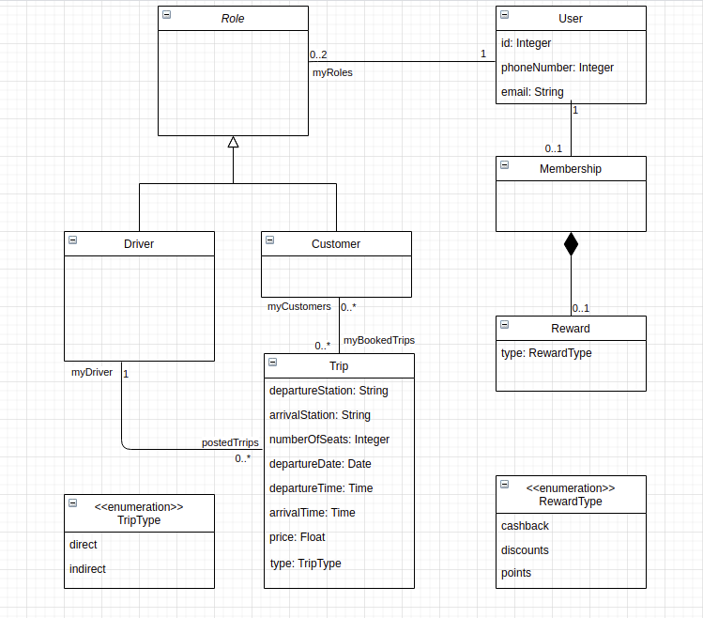
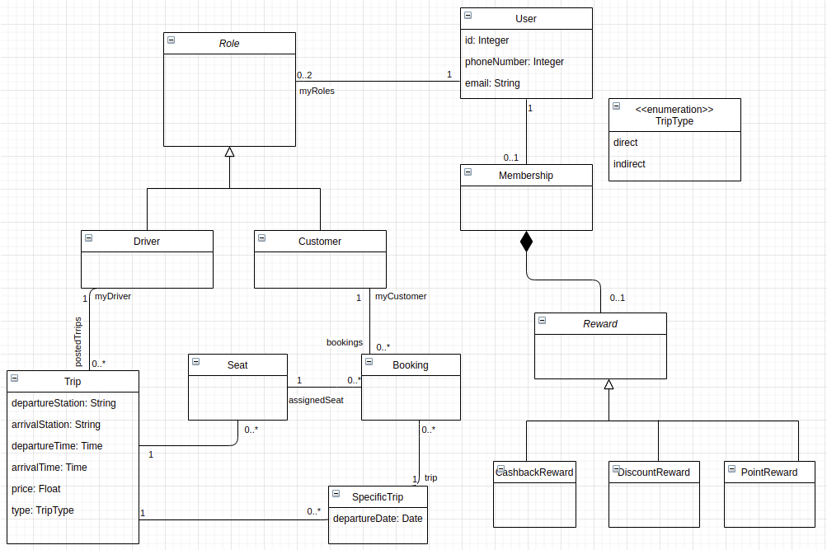

Classes – 9, Attributes – 17 (including enumeration items), Relationships (7), Cardinalities (10)

Artifact Type – Extracted Domain Model using our Proposed Tool

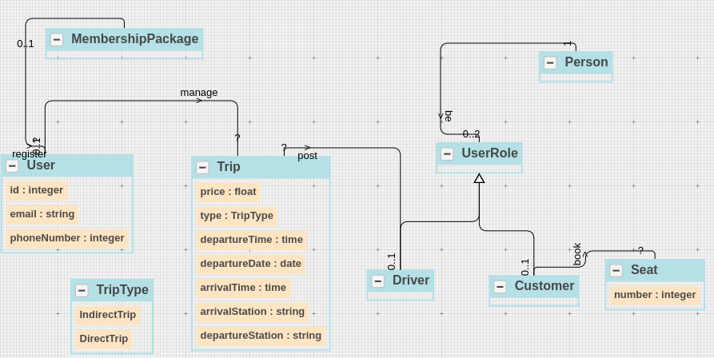

Category | Trace Link Source | Manual Trace Link Target | Manual Meta-data (sentence) | Manual Meta-data (word)
Class | Driver | The users can be drivers or customers. | S2 | drivers [4]
 |  | The system allows a driver to post trips. | S4 | driver [4]
Class | Customer | The users can be drivers or customers. | S4 | customers [6]
 |  | The customers can book seats until 2 hours before the departure time. | S7 | customers [1]
Class | User | The users can register for a membership package that includes rewards. | S8 | users [1]
 |  | The users can be drivers or customers. | S2 | users [1]
 |  | Online Rideshare System (ORS) allows users to manage road trips that are orga nized on a sharing basis. | S1 | Users [5]
 |  | Each user has a unique ID, email, and phone number. | S3 | user [1]
Class | Membership | The users can register for a membership package that includes rewards. | S8 | membership [6]
Class | Reward | The users can register for a membership package that includes rewards. | S8 | reward [10]
 |  | These rewards can be in the form of cashback, discounts, or points. | S9 | reward [1]
Enumeration Class | RewardType | These rewards can be in the form of cashback, discounts, or points. | S9 | Cashback [8], discounts [9], points [11]
Enumeration Class | TripType | The trips can be direct trips or indirect trips (multiple Stops). | S5 | direct trips [4,5], indirect trips [7,8]
Class | Trip | Online Rideshare System (ORS) allows users to manage road trips that are orga nized on a sharing basis. | S1 | trips [9]
 |  | The system allows a driver to post trips. | S3 | trips [7]
 |  | The trips can be direct trips or indirect trips (multiple Stops). | S4 | trips [1]
 |  | Each trip has a departure station, arrival station, number of seats, departure date, departure time, arrival time, and price. | S6 | trips [1]
Class - Relevant Links (TP + FN) |  |  | 17
Attribute | departureStation (Trip class) | Each trip has a departure station, arrival station, number of seats, departure date, departure time, arrival time, and price. | S6 | departure station [4,5]
Attribute | arrivalStation (Trip class) | Each trip has a departure station, arrival station, number of seats, departure date, departure time, arrival time, and price. | S6 | arrival station [6.7]
Attribute | numberOfSeats (Trip class) | Each trip has a departure station, arrival station, number of seats, departure date, departure time, arrival time, and price. | S6 | number seats [8.10]
Attribute | departureDate (Trip class) | Each trip has a departure station, arrival station, number of seats, departure date, departure time, arrival time, and price. | S6 | departure date [11,12]
Attribute | departureTime (Trip class) | Each trip has a departure station, arrival station, number of seats, departure date, departure time, arrival time, and price. | S6 | departure time [13,14]
Attribute | arrivalTime (Trip class) | Each trip has a departure station, arrival station, number of seats, departure date, departure time, arrival time, and price. | S6 | arrival time [15,16]
Attribute | tripType (Trip class) | The trips can be direct trips or indirect trips (multiple Stops). | S5 | direct trips [4,5], indirect trips [7,8]
Attribute | price (Trip class) | Each trip has a departure station, arrival station, number of seats, departure date, departure time, arrival time, and price. | S6 | Price [18]
Attribute | id (User class) | Each user has a unique ID, email, and phone number. | S3 | ID [5]
Attribute | email(User class) | Each user has a unique ID, email, and phone number. | S3 | Email [6]
Attribute | phoneNumber (User class) | Each user has a unique ID, email, and phone number. | S3 | phone Number [8,9]
Attribute | type (Reward Class) | These rewards can be in the form of cashback, discounts, or points. | S9 | cashback [8], discounts [9], points [11]
Enumeration Item | cashback (RewardType enum class) | These rewards can be in the form of cashback, discounts, or points. | S9 | cashback [8]
Enumeration Item | discounts (RewardType enum class) | These rewards can be in the form of cashback, discounts, or points. | S9 | discounts [9]
Enumeration Item | points (RewardType enum class) | These rewards can be in the form of cashback, discounts, or points. | S9 | points [11]
Enumeration Item | direct(TripType enum class) | The trips can be direct trips or indirect trips (multiple Stops). | S5 | direct trips [4,5]
Enumeration Item | Indirect (TripType enum class) | The trips can be direct trips or indirect trips (multiple Stops). | S5 | indirect trips [7,8]
Attributes - Relevant Links (TP + FN) |  |  | 17
Relationship | Role-generalization-Customer, Driver | The users can be drivers or customers. | S2 | can be [2,3]
Relationship | Driver-association-Trip | The system allows a driver to post trips. | S4 | post [6]
Relationship | Trip-association-Customer | The customers can book seats until 2 hours before the departure time. | S7 | book [3]
Relationship | User-association-Membership | The users can register for a membership package that includes rewards. | S8 | register [3]
Relationship | Membership-composition-Reward | The users can register for a membership package that includes rewards. | S8 | Includes [9]
Relationships - Relevant Links (TP + FN) |  |  | 5
Cardinality | Driver-association-0..*Trip | The system allows a driver to post trips. | S4 | post trips [6,7]
Cardinality | 0..1 Driver-association-Trip | The system allows a driver to post trips. | S4 | a driver [3,4]
Cardinalities - Relevant Links (TP + FN) |  |  | 2

Total Relevant Links (TP + FN) |  |  | 41

Category | Trace Link Source | Automatic Trace Link Result from Proposed Tool | Tool Meta-data (sentence) | Tool Meta-data (word) | Tool Rationale in NL | Relevant Links with respect to Ground Truth
Class | Driver | The users can be drivers or customers. | S2 | drivers [4] |  | 1
 |  | The system allows a driver to post trips. | S4 | driver [4] |  | 1
Class | Customer | The users can be drivers or customers. | S4 | customers [6] |  | 1
 |  | The customers can book seats until 2 hours before the departure time. | S7 | customers [1] |  | 1
Class | User | The users can be drivers or customers. | S2 | users [1] |  | 1
 |  | Online Rideshare System (ORS) allows users to manage road trips that are orga nized on a sharing basis. | S1 | Users [5] |  | 1
 |  | Each user has a unique ID, email, and phone number. | S3 | user [1] |  | 1
 |  | The users can register for a membership package that includes rewards. | S8 | users [1] |  | 1
Class | Seat | Each trip has a departure station, arrival station, number of seats, departure date, departure time, arrival time, and price. | S6 | seats [10] |  | 1
 |  | The customers can book seats until 2 hours before the departure time. | S7 | seats [4] |  | 1
Class | Membership | The users can register for a membership package that includes rewards. | S8 | membership [6] |  | 0.5
Enumeration Class | TripType | The trips can be direct trips or indirect trips (multiple Stops). | S5 | can be [2,3] | The use of Enumeration restricts an object of the Trip class to have one role (among IndirectTrip, DirectTrip) only at a time but the object can have different roles over time (the role of an object can change by changing the value of the Enumeration attribute). Furthermore, the use of the Enumeration class is appropriate in the current scenario as the roles (IndirectTrip, DirectTrip) do not have different features (attributes or relationships). | 0.25
Class | Trip | Online Rideshare System (ORS) allows users to manage road trips that are orga nized on a sharing basis. | S1 | trips [9] |  | 1
 |  | The system allows a driver to post trips. | S3 | trips [7] |  | 1
 |  | The trips can be direct trips or indirect trips (multiple Stops). | S4 | trips [1] |  | 1
 |  | Each trip has a departure station, arrival station, number of seats, departure date, departure time, arrival time, and price. | S6 | trips [1] |  | 1
 |  | Class - Retrieved Links (TP + FP) | 16 |  | Class - Relevant Retrieved Links (TP ) | 14.75
Attribute | departureStation (Trip class) | Each trip has a departure station, arrival station, number of seats, departure date, departure time, arrival time, and price. | S6 | departure station [4,5] |  | 1
Attribute | arrivalStation (Trip class) | Each trip has a departure station, arrival station, number of seats, departure date, departure time, arrival time, and price. | S6 | arrival station [6.7] |  | 1
Attribute | departureDate (Trip class) | Each trip has a departure station, arrival station, number of seats, departure date, departure time, arrival time, and price. | S6 | departure date [11,12] |  | 1
Attribute | departureTime (Trip class) | Each trip has a departure station, arrival station, number of seats, departure date, departure time, arrival time, and price. | S6 | departure time [13,14] |  | 1
Attribute | arrivalTime (Trip class) | Each trip has a departure station, arrival station, number of seats, departure date, departure time, arrival time, and price. | S6 | arrival time [15,16] |  | 1
Attribute | tripType (Trip class) | The trips can be direct trips or indirect trips (multiple Stops). | S5 | be [3] | The use of Enumeration restricts an object of the Trip class to have one role (among IndirectTrip, DirectTrip) only at a time but the object can have different roles over time (the role of an object can change by changing the value of the Enumeration attribute). Furthermore, the use of the Enumeration attribute is appropriate in the current scenario as the roles (IndirectTrip, DirectTrip) do not have different features (attributes or relationships). | 1
Attribute | price (Trip class) | Each trip has a departure station, arrival station, number of seats, departure date, departure time, arrival time, and price. | S6 | Price [18] |  | 1
Attribute | number (Seat Class) | Each trip has a departure station, arrival station, number of seats, departure date, departure time, arrival time, and price. | S6 | number [8] |  | 0.25
Attribute | id (User class) | Each user has a unique ID, email, and phone number. | S3 | ID [5] |  | 1
Attribute | phoneNumber (User class) | Each user has a unique ID, email, and phone number. | S3 | phone Number [8,9] |  | 1
Attribute | email(User class) | Each user has a unique ID, email, and phone number. | S3 | Email [6] |  | 1
Enumeration Item | direct(TripType enum class) | The trips can be direct trips or indirect trips (multiple Stops). | S5 | direct trips [4,5] |  | 1
Attribute | number (Seat Class) | Each trip has a departure station, arrival station, number of seats, departure date, departure time, arrival time, and price. | S6 | number seats [8.10] |  | 1
Enumeration Item | indirect direct(TripType enum class) | The trips can be direct trips or indirect trips (multiple Stops). | S5 | indirect trips [7,8] |  | 1
 |  | Attribute - Retrieved Links (TP + FP) | 13.5 |  | Attribute - Relevant Retrieved Links (TP ) | 13.25
Relationship | Role-generalization-Driver,customer | The users can be drivers or customers. | S2 | can be [2,3] | User can play multiple roles during it's lifetime. The use of player-role pattern restricts the creation of different objects each time User changes its role among Driver, Customer | 0.5
Relationship | Driver-association-Trip | The system allows a driver to post trips. | S4 | post [6] |  | 1
Relationship | Customer-association-Seat | The customers can book seats until 2 hours before the departure time. | S7 | Book [3] |  | 1
Relationship | User-association-Membership | The users can register for a membership package that includes rewards. | S8 | register [3] |  | 1
 |  | Relationship - Retrieved Links (TP + FP) | 4 |  | Relationship - Relevant Retrieved Links (TP) | 3.5
Cardinality | 0..1 Driver-association-Trip | The system allows a driver to post trips. | S4 | a [4] |  | 1
Cardinality | Driver-association-0..* Trip | The system allows a driver to post trips. | S4 |  |  | 0.5
 |  | Cardinalities - Retrieved Links (TP + FP) | 1.75 |  | Cardinalities - Relevant Retrieved Links (TP ) | 1.5
 |  | (Total Retrieved Links) TP + FP = 35 | 35.25 |  | Total Retrieved Relevant Links (TP) | 33
 |  |  | 35

 | Ground Truth Domain Model

 | Category | Domain Concept
 | Class | Driver
 | Class | Customer
 | Class | User
 | Class | Membership
 | Class | Reward
 | Enumeration Class | RewardType
 | Enumeration Class | TripType
 | Class | Trip
 | Class | Role
 | Class - Relevant Links (TP + FN) |  | 9
 | Attribute | departureStation (Trip class)
 | Attribute | arrivalStation (Trip class)
 | Attribute | numberOfSeats (Trip class)
 | Attribute | departureDate (Trip class)
 | Attribute | departureTime (Trip class)
 | Attribute | arrivalTime (Trip class)
 | Attribute | tripType (Trip class)
 | Attribute | price (Trip class)
 | Attribute | id (User class)
 | Attribute | email(User class)
 | Attribute | phoneNumber (User class)
 | Attribute | type (Reward Class)
 | Enumeration Item | cashback (RewardType enum class)
 | Enumeration Item | discounts (RewardType enum class)
 | Enumeration Item | points (RewardType enum class)
 | Enumeration Item | direct(TripType enum class)
 | Enumeration Item | Indirect (TripType enum class)
 | Attributes - Relevant Links (TP + FN) |  | 17
 | Relationship | Role-generalization-Customer
 | Relationship | Driver-association-Trip
 | Relationship | Role-generalization- Driver
 | Relationship | Trip-association-Customer
 | Relationship | User-association-Membership
 | Relationship | Membership-composition-Reward
 | Relationship | User-association-Role
 | Relationships - Relevant Links (TP + FN) |  | 7
 | Cardinality | Driver-association-0..*Trip
 | Cardinality | 0..1 Driver-association-Trip
 | Cardinality | Trip-association-0..* Customer
 | Cardinality | 0..* Trip-association-Customer
 | Cardinality | User-association-0..2 Role
 | Cardinality | 1 User-association-Role
 | Cardinality | User-association-0..1 Membership
 | Cardinality | 1 User-association-Membership
 | Cardinality | Membership-composition-0..1 Reward
 | Cardinality | 1 Membership-composition-Reward
 | Cardinalities - Relevant Links (TP + FN) |  | 10

 | Total Relevant Links (TP + FN) |  | 43

 | Extracted Domain Model Extraction Results (Proposed Approach)

 | Category | Domain Concepts
 | Class | Driver | 1
 | Class | Customer | 1
 | Class | Seat | 1
 | Class | MembershipPackage | 0.5
 | Enumeration Class | TripType | 1
 | Class | Trip | 1
 | Class | Driver | 1
 | Class | Customer | 1
 | Class | Person | 1
 | 9 | Class – Retrieved Concepts (TP + FP) | 8.5 | Class – Retrieved Relevant Concepts (TP)
 | Attribute | departureStation (Trip class) | 1
 | Attribute | arrivalStation (Trip class) | 1
 | Attribute | departureDate (Trip class) | 0.5
 | Attribute | departureTime (Trip class) | 1
 | Attribute | arrivalTime (Trip class) | 1
 | Attribute | tripType (Trip class) | 1
 | Attribute | price (Trip class) | 1
 | Attribute | number (Seat Class) | 0
 | Attribute | id (User class) | 1
 | Attribute | phoneNumber (User class) | 1
 | Attribute | email(User class) | 1
 | Enumeration Item | direct(TripType enum class) | 1
 | Attribute | number (Seat Class) | 1
 | Enumeration Item | indirect direct(TripType enum class) | 1
 | 14 | Attributes – Retrieved Concepts (TP + FP) | 12.5 | Attributes – Retrieved Relevant Concepts (TP)
 | Relationship | Role-generalization-Driver | 1
 | Relationship | Driver-association-Trip | 1
 | Relationship | Role-generalization-Customer | 1
 | Relationship | Customer-association-Seat | 0.5
 | Relationship | User-association-Membership | 0.5
 | Relationship | UserRole-association-Person | 1
 | Relationship | User-association-0..1 MembershipTrip | 0
 | 7 | Relationships – Retrieved Concepts (TP + FP) | 4 | Relationships – Retrieved Relevant Concepts (TP)
 | Cardinality | Driver-association-?Trip | 0
 | Cardinality | 0..1 Driver-association-Trip | 1
 | Cardinality | Person-association-0..2 Role | 1
 | Cardinality | 1 Person-association-Role | 1
 | Cardinality | User-association-0..1 MembershipPackage | 1
 | Cardinality | 1 User-association-MembershipPackage | 0.25
 | 5 | Cardinalities – Retrieved Concepts (TP + FP) | 4.25 | Cardinalities – Retrieved Relevant Concepts (TP)

 | 35 | Total– Retrieved Concepts (TP + FP) | 29.25 | Total– Retrieved Relevant Concepts (TP)

 | Extracted Domain Model Extraction Results (Related Work – Baseline)

 | Category | Domain Concepts
 | Class | Driver | 1
 | Class | Customer | 1
 | Class | User | 1
 | Class | Seat | 1
 | Class | Trip | 1
 | Class | Driver | 1
 | Class | Customer | 1
 | Class | Person | 1
 | Class | User | 0
 | Class | Seat | 0
 | 10 | Class – Retrieved Concepts (TP + FP) | 8 | Class – Retrieved Relevant Concepts (TP)
 | Attribute | departureStation (Trip class) | 1
 | Attribute | arrivalStation (Trip class) | 1
 | Attribute | departureDate (Trip class) | 0.5
 | Attribute | departureTime (Trip class) | 1
 | Attribute | arrivalTime (Trip class) | 1
 | Attribute | price (Trip class) | 1
 | Attribute | number (Seat Class) | 0
 | Attribute | id (User class) | 1
 | Attribute | phoneNumber (User class) | 1
 | Attribute | email(User class) | 1
 | Attribute | number (Seat Class) | 1
 | 11 | Attributes – Retrieved Concepts (TP + FP) | 9.5 | Attributes – Retrieved Relevant Concepts (TP)
 | Relationship | Role-generalization-Driver | 1
 | Relationship | Driver-association-Trip | 1
 | Relationship | Role-generalization-Customer | 1
 | Relationship | User-association-Membership | 0.5
 | Relationship | UserRole-association-Person | 1
 | Relationship | User-association-0..1 MembershipTrip | 0
 | 6 | Relationships – Retrieved Concepts (TP + FP) | 3.5 | Relationships – Retrieved Relevant Concepts (TP)
 | Cardinality | Driver-association-?Trip | 0
 | Cardinality | 0..1 Driver-association-Trip | 1
 | Cardinality | Person-association-0..2 Role | 1
 | Cardinality | 1 Person-association-Role | 1
 | Cardinality | User-association-0..1 MembershipPackage | 1
 | Cardinality | 1 User-association-MembershipPackage | 0.25
 | 5 | Cardinalities – Retrieved Concepts (TP + FP) | 4.25 | Cardinalities – Retrieved Relevant Concepts (TP)

 | 32 | Total– Retrieved Concepts (TP + FP) | 25.25 | Total– Retrieved Relevant Concepts (TP)

PD3
Artifact Type – Problem Description (Online Food Delivery System)
Online Food Delivery System (OFDS) is used by many companies for delivering food at the doorstep. Each company has a name. In addition, companies hire employees for food delivery. These employees can be part-time employees or full-time employees. Each employee has a name. The system also allows the company to manage multiple vehicles. Each vehicle has a registration number. Also, a vehicle can be an owned vehicle or a rented vehicle. Employees drive these vehicles for food delivery.

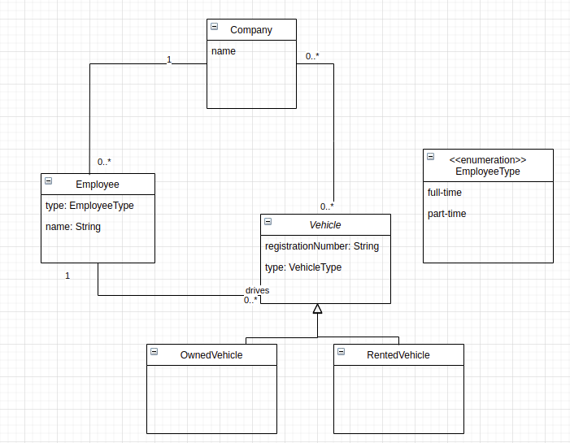
Artifact Type – Some Possible Variations in the Ground Truth Domain Model

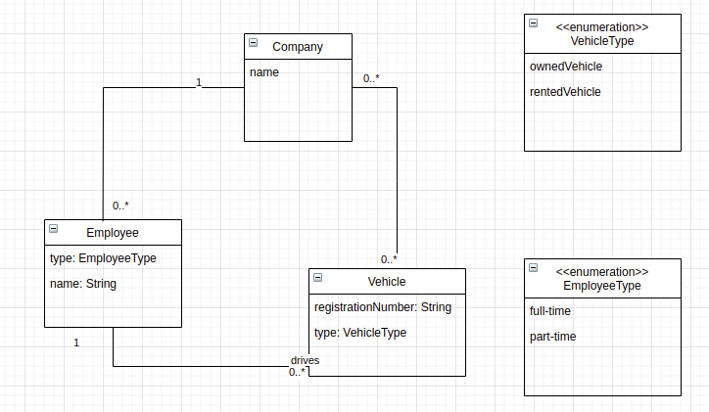

Classes – 9, Attributes – 17 (including enumeration items), Relationships (7), Cardinalities (10)

Artifact Type – Extracted Domain Model using our Proposed Tool

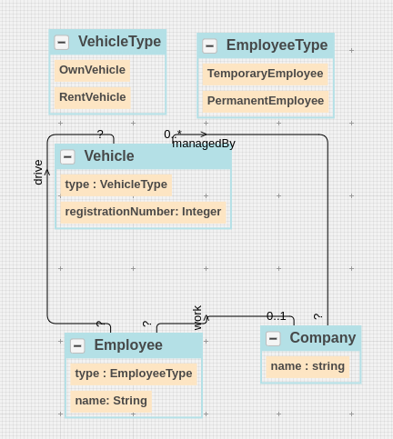

Category | Trace Link Source | Manual Trace Link Target | Manual Meta-data (sentence) | Manual Meta-data (word)
Class | Vehicle | The system also allows the company to manage multiple vehicles. | S5 | vehicles [7]
 |  | Each vehicle has a registration number. | S7 | vehicle [1]
 |  | Also, a vehicle can be an owned vehicle or a rented vehicle. | S8 | vehicle [2]
Class | Employee | In addition, companies hire employees for food delivery. | S3 | employees [4]
 |  | These employees can be part-time employees or full-time employees. | S4 | employees [1]
 |  | Each employee has a name. | S5 | employee [1]
Class | Company | In addition, companies hire employees for food delivery. | S3 | companies [2]
 |  | Each company has a name. | S2 | company [1]
Enumeration Class | EmployeeType | These employees can be part-time employees or full-time employees. | S4 | part-time employees [4,5,6] full-time employees [7,8,9]
Enumeration Class | VehicleType | Also, a vehicle can be an owned vehicle or a rented vehicle. | S8 | owned vehicle [6,7] rented vehicle [10,11]
Class - Relevant Links (TP + FN) |  |  | 10
Attribute | name (Company class) | Each company has a name. | S2 | name [4]
Attribute | registrationNumber (Vehicle class) | Each vehicle has a registration number. | S7 | registration number [4,5]
Attribute | type (Vehicle class) | Also, a vehicle can be an owned vehicle or a rented vehicle. | S8 | owned vehicle [6,7] rented vehicle [10,11]
Attribute | name (Employee class) | Each employee has a name. | S5 | name [4]
Attribute | type (Employee class) | These employees can be part-time employees or full-time employees. | S4 | part-time employees [4,5,6] full-time employees [7,8,9]
Enumeration Item | Part-time, full-time (EmployeeType class) | These employees can be part-time employees or full-time employees. | S4 | part-time employees [4,5,6] full-time employees [7,8,9]
Enumeration Item | rented, owned (VehicleType enum class) | Also, a vehicle can be an owned vehicle or a rented vehicle. | S8 | owned vehicle [6,7] rented vehicle [10,11]
Attributes - Relevant Links (TP + FN) |  |  | 7
Relationship | Employee-association-Vehicle | Employees drive these vehicles for food delivery. | S9 | drive [1]
Relationship | Employee-association-Company | In addition, companies hire employees for food delivery. | S3 | hire [3]
Relationships - Relevant Links (TP + FN) |  |  | 2
Cardinality | 0..* Vehicle-association-Company | The system also allows the company to manage multiple vehicles. | S2 | Multiple [8]
Cardinalities - Relevant Links (TP + FN) |  |  | 1

Total Relevant Links (TP + FN) |  |  | 20

Category | Trace Link Source | Automatic Trace Link Result from Proposed Tool | Tool Meta-data (sentence) | Tool Meta-data (word) | Tool Rationale in NL | Relevant Links with respect to Ground Truth
Class | Vehicle | The system also allows the company to manage multiple vehicles. | S5 | vehicles [7] |  | 1
 |  | Each vehicle has a registration number. | S7 | vehicle [1] |  | 1
 |  | Also, a vehicle can be an owned vehicle or a rented vehicle. | S8 | vehicle [2] |  | 1
Class | Employee | In addition, companies hire employees for food delivery. | S3 | employees [4] |  | 1
 |  | These employees can be part-time employees or full-time employees. | S4 | employees [1] |  | 1
 |  | Each employee has a name. | S5 | employee [1] |  | 1
Class | Company | In addition, companies hire employees for food delivery. | S3 | companies [2] |  | 1
 |  | Each company has a name. | S2 | company [1] |  | 1
Enumeration Class | EmployeeType | These employees can be part-time employees or full-time employees. | S4 | can be [2,3] |  | 0.4
Enumeration Class | VehicleType | Also, a vehicle can be an owned vehicle or a rented vehicle. | S8 | owned vehicle [6,7] rented vehicle [10,11] | The use of Enumeration restricts an object of the Feature class to have one role (among Curve, Point, Region) only at a time but the object can have different roles over time (the role of an object can change by changing the value of the Enumeration attribute). Furthermore, the use of the Enumeration class is appropriate in the current scenario as the roles (Curve, Point, Region) do not have different features (attributes or relationships). | 1
 |  | Class - Retrieved Links (TP + FP) | 9.5 |  | Class - Relevant Retrieved Links (TP ) | 9.4
Attribute | name (Company class) | Each company has a name. | S2 | name [4] |  | 1
Attribute | registrationNumber (Vehicle class) | Each vehicle has a registration number. | S7 | registration number [4,5] |  | 1
Attribute | type (Vehicle class) | Also, a vehicle can be an owned vehicle or a rented vehicle. | S8 | owned vehicle [6,7] rented vehicle [10,11] |  | 1
Attribute | name (Employee class) | Each employee has a name. | S5 | name [4] |  | 1
Attribute | type (Employee class) | These employees can be part-time employees or full-time employees. | S4 | part-time employees [4,5,6] full-time employees [7,8,9] | The use of Enumeration restricts an object of the Employee class to have one role (among PartTimeEmployee, FullTimeEmployee) only at a time but the object can have different roles over time (the role of an object can change by changing the value of the Enumeration attribute). Furthermore, the use of the Enumeration attribute is appropriate in the current scenario as the roles (PartTimeEmployee, FullTimeEmployee) do not have different features (attributes or relationships). | 1
Enumeration Item | Part-time, full-time (EmployeeType class) | These employees can be part-time employees or full-time employees. | S4 | part-time employees [4,5,6] full-time employees [7,8,9] | The use of Enumeration restricts an object of the Employee class to have one role (among PartTimeEmployee, FullTimeEmployee) only at a time but the object can have different roles over time (the role of an object can change by changing the value of the Enumeration attribute). Furthermore, the use of the Enumeration class is appropriate in the current scenario as the roles (PartTimeEmployee, FullTimeEmployee) do not have different features (attributes or relationships). | 0.9
Enumeration Item | rented, owned (VehicleType enum class) | Also, a vehicle can be an owned vehicle or a rented vehicle. | S8 | owned vehicle [6,7] rented vehicle [10,11] | The use of Enumeration restricts an object of the Vehicle class to have one role (among OwnVehicle, RentVehicle) only at a time but the object can have different roles over time (the role of an object can change by changing the value of the Enumeration attribute). Furthermore, the use of the Enumeration class is appropriate in the current scenario as the roles (OwnVehicle, RentVehicle) do not have different features (attributes or relationships). | 1
 |  | Attribute - Retrieved Links (TP + FP) | 7 |  | Attribute - Relevant Retrieved Links (TP ) | 6.9
Relationship | Employee-association-Vehicle | Employees drive these vehicles for food delivery. | S9 | drive [1] |  | 0.9
Relationship | Employee-association-Company | In addition, companies hire employees for food delivery. | S3 |  |  | 0.5
 |  | Relationship - Retrieved Links (TP + FP) | 1.5 |  | Relationship - Relevant Retrieved Links (TP ) | 1.4
Cardinality | 0..* Vehicle-association-Company | The system also allows the company to manage multiple vehicles. | S2 | multiple [8] |  | 0.8

 |  | Cardinalities - Retrieved Links (TP + FP) | 0.9 |  | Cardinalities - Relevant Retrieved Links (TP ) | 0.8
 |  |  | 18.9 |  |  | 18.5
 |  | (Total Retrieved Links) TP + FP = 35 | 18.9 |  | Total Retrieved Relevant Links (TP) | 18.5
 |  |  | 19 |  |  | 19

 | Ground Truth Domain Model

 | Category | Domain Concept
 | Class | Vehicle
 | Class | Employee
 | Class | Company
 | Enumeration Class | EmployeeType
 | Enumeration Class | VehicleType
 | Class - Relevant Links (TP + FN) |  | 5
 | Attribute | name (Company class)
 | Attribute | registrationNumber (Vehicle class)
 | Attribute | type (Vehicle class)
 | Attribute | name (Employee class)
 | Attribute | type (Employee class)
 | Enumeration Item | Part-time, full-time (EmployeeType class)
 | Enumeration Item | rented, owned (VehicleType enum class)
 | Attribute | name (Company class)
 | Attribute | registrationNumber (Vehicle class)
 | Attribute | type (Vehicle class)
 | Attribute | name (Employee class)
 | Attribute | type (Employee class)
 | Enumeration Item | Part-time, full-time (EmployeeType class)
 | Enumeration Item | rented, owned (VehicleType enum class)
 | Attributes - Relevant Links (TP + FN) |  | 14
 | Relationship | Employee-association-Vehicle
 | Relationship | Vehicle-association-Company
 | Relationship | Employee-association-Company
 | Relationships - Relevant Links (TP + FN) |  | 3
 | Cardinality | Employee-association-0..* Vehicle
 | Cardinality | 1 Employee-association-Vehicle
 | Cardinality | Vehicle-association-0..* Company
 | Cardinality | 0..* Vehicle-association-Company
 | Cardinality | Employee-association-0..1 Company
 | Cardinality | 0..* Employee-association-Company
 | Cardinalities - Relevant Links (TP + FN) |  | 6

 | Total Relevant Links (TP + FN) |  | 28

 | Domain Model Extraction Results (Proposed Approach)

 | Category | Domain Concepts
 | Class | Vehicle | 1
 | Class | Employee | 1
 | Class | Company | 1
 | Enumeration Class | EmployeeType | 1
 | Enumeration Class | VehicleType | 1
 | 5 | Class – Retrieved Concepts (TP + FP) | 5 | Class – Retrieved Relevant Concepts (TP)
 | Attribute | name (Company class) | 1
 | Attribute | registrationNumber (Vehicle class) | 1
 | Attribute | type (Vehicle class) | 1
 | Attribute | name (Employee class) | 1
 | Attribute | type (Employee class) | 0.5
 | Enumeration Item | Part-time, full-time (EmployeeType class) | 0.5
 | Enumeration Item | rented, owned (VehicleType enum class) | 1
 | Attribute | name (Company class) | 1
 | Attribute | registrationNumber (Vehicle class) | 1
 | Attribute | type (Vehicle class) | 1
 | Attribute | name (Employee class) | 1
 | Attribute | type (Employee class) | 1
 | Enumeration Item | Part-time, full-time (EmployeeType class) | 1
 | Enumeration Item | rented, owned (VehicleType enum class) | 1
 | 14 | Attributes – Retrieved Concepts (TP + FP) | 13 | Attributes – Retrieved Relevant Concepts (TP)
 | Relationship | Employee-association-Vehicle | 1
 | Relationship | Employee-association-Company | 1
 | Relationship | Vehicle-association-Company | 1
 | 3 | Relationships – Retrieved Concepts (TP + FP) | 3 | Relationships – Retrieved Relevant Concepts (TP)
 | Cardinality | Employee-association-? Vehicle | 0
 | Cardinality | ? Employee-association-Vehicle | 0
 | Cardinality | Vehicle-association-? Company | 0
 | Cardinality | 0..* Vehicle-association-Company | 0.5
 | Cardinality | Employee-association-0..1 Company | 0.5
 | Cardinality | ? Employee-association-Company | 0
 | 2 | Cardinalities – Retrieved Concepts (TP + FP) | 1 | Cardinalities – Retrieved Relevant Concepts (TP)

 | 24 | Total– Retrieved Concepts (TP + FP) | 22 | Total– Retrieved Relevant Concepts (TP)

 | Domain Model Extraction Results (Related Work – Baseline)

 | Category | Domain Concepts
 | Class | Vehicle | 1
 | Class | Employee | 1
 | Class | Company | 1
 | Enumeration Class | EmployeeType | 1
 | 4 | Class – Retrieved Concepts (TP + FP) | 4 | Class – Retrieved Relevant Concepts (TP)
 | Attribute | name (Company class) | 1
 | Attribute | registrationNumber (Vehicle class) | 1
 | Attribute | type (Vehicle class) | 1
 | Attribute | name (Employee class) | 1
 | Attribute | type (Employee class) | 1
 | Enumeration Item | Part-time, full-time (EmployeeType class) | 1
 | Attribute | name (Company class) | 1
 | Attribute | registrationNumber (Vehicle class) | 0
 | Attribute | type (Vehicle class) | 1
 | Attribute | name (Employee class) | 1
 | Attribute | type (Employee class) | 1
 | Enumeration Item | Part-time, full-time (EmployeeType class) | 1
 | 12 | Attributes – Retrieved Concepts (TP + FP) | 11 | Attributes – Retrieved Relevant Concepts (TP)
 | Relationship | Employee-association-Company | 1
 | Relationship | Vehicle-association-Company | 0.5
 | 2 | Relationships – Retrieved Concepts (TP + FP) | 1.5 | Relationships – Retrieved Relevant Concepts (TP)
 | Cardinality | Employee-association-? Vehicle | 0
 | Cardinality | ? Employee-association-Vehicle | 0
 | Cardinality | Vehicle-association-? Company | 0
 | Cardinality | 0..* Vehicle-association-Company | 0.5
 | Cardinality | Employee-association-0..1 Company | 0.5
 | Cardinality | ? Employee-association-Company | 0
 | 2 | Cardinalities – Retrieved Concepts (TP + FP) | 1 | Cardinalities – Retrieved Relevant Concepts (TP)

 | 20 | Total– Retrieved Concepts (TP + FP) | 17.5 | Total– Retrieved Relevant Concepts (TP)

PD4
Artifact Type – Problem Description (Bank Management System)
This system provides basic services to manage bank accounts at various banks. Banks can be of types - public and private. Also, each bank has a service category. The service category can be national or international. Each bank is composed of multiple branches. Each branch has multiple addresses such as temporary addresses and permanent addresses. In addition, a branch can be the main branch or an express branch. A user can be a customer or an employee. Each user has a name. A customer opens accounts at a branch. The customer can be a general customer or a VIP customer. Each account is uniquely identified by an account number across the bank. Furthermore, the account can be a checking account or savings account. It is possible to have a joint account (e.g. for a husband and wife). Each customer is assigned a particular employee as his or her 'personal banker'. An employee can be a teller, manager, or loan officer at a bank. Employees may work for multiple branches in a bank.

Artifact Type – Some Possible Variations in the Ground Truth Domain Model
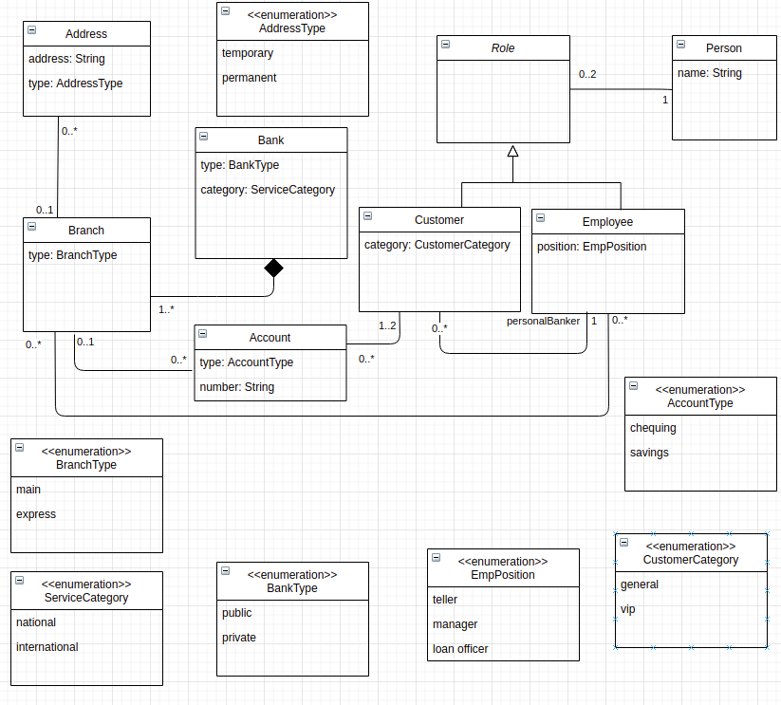
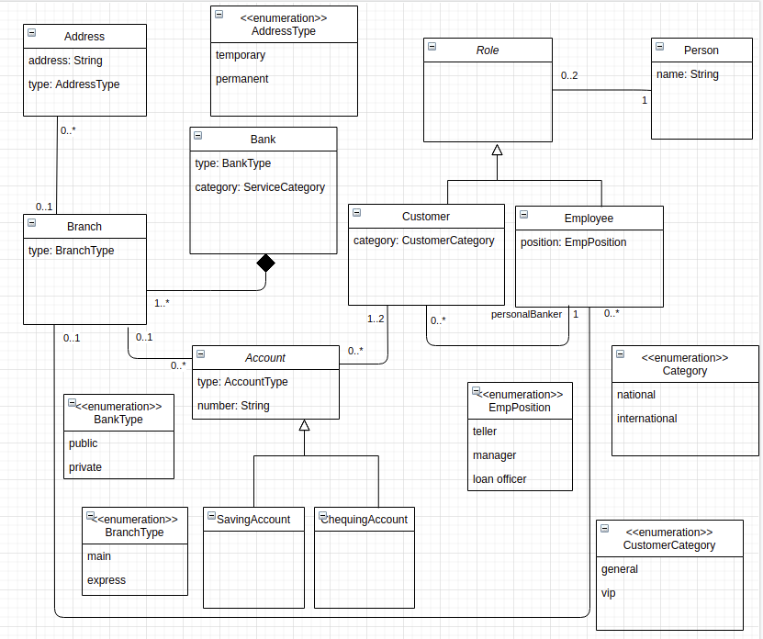

Classes – 9, Attributes – 17 (including enumeration items), Relationships (7), Cardinalities (10)

Artifact Type – Extracted Domain Model using our Proposed Tool

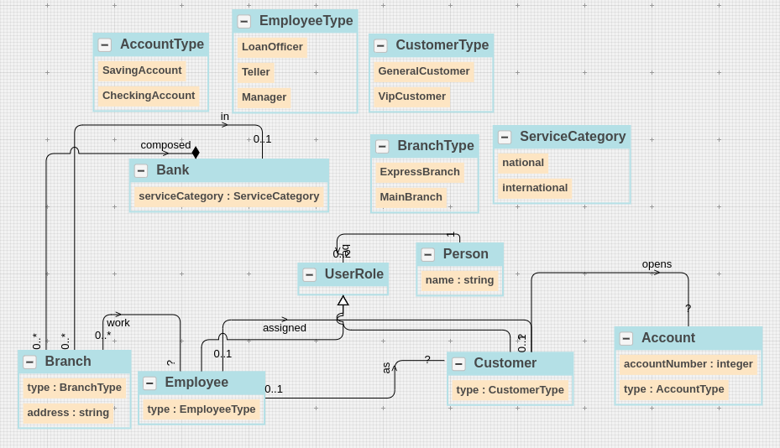

Category | Trace Link Source | Manual Trace Link Target | Manual Meta-data (sentence) | Manual Meta-data (word)
Class | Bank | This system provides basic services to manage bank accounts at various banks. | S1 | bank [7]
 |  | Banks can be of types - public and private . | S2 | bank [0]
 |  | Also , each bank has a service category . | S3 | bank [2]
 |  | Employees work for only one branch in a bank. | S17 | bank [8]
 |  | Each bank is composed of multiple branches . | S5 | bank [1]
Class | Customer | A user can be a customer or an employee . | S8 | customer [5]
 |  | A customer opens accounts at a branch . | S10 | customer [1]
 |  | The customer can be a general customer or a VIP customer . | S11 | customer [1]
Class | Employee | A user can be a customer or an employee . | S8 | authors [10]
 |  | Each customer is assigned a particular employee as his or her ' personal banker’ | S15 | employee [6]
 |  | Employees work for only one branch in a bank. | S17 | Employees [0]
 |  | An employee can be a teller, manager, or loan officer. | S16 | employee [1]
Class | Branch | Each bank is composed of multiple branches . | S5 | branches [6]
 |  | Each branch has multiple addresses such as temporary addresses and permanent addresses . | S6 | branch [1]
 |  | In addition, a branch can be the main branch or an express branch. | S7 | branch [3]
 |  | Employees work for only one branch in a bank. | S17 | branches [5]
 |  | A customer opens accounts at a branch . | S9 | branch [6]
Class | Address | Each branch has multiple addresses such as temporary addresses and permanent addresses . | S6 | addresses [4]
Class | Account | A customer opens accounts at a branch . | S10 | accounts [3]
 |  | This system provides basic services to manage bank accounts at various banks. | s1 | accounts [8]
 |  | Each account is uniquely identified by an account number | S12 | account [1]
 |  | Furthermore , the account can be a checking account or savings account . | S13 | account [2]
Class | Role | A user can be a customer or an employee . | S8 | can be [2,3]
Class | Person | A user can be a customer or an employee . | S8 | can be [2,3]
Enumeration Class | AddressType | Each branch has multiple addresses such as temporary addresses and permanent addresses . | S6 | temporary addresses [7,8] ,permanent addresses [10,11]
Enumeration Class | BranchType | In addition, a branch can be the main branch or an express branch. | S7 | main branch [7,8] express branch [11,12]
Enumeration Class | BankType | Banks can be of types - public and private . | S2 | public [5], private [7]
Enumeration Class | ServiceCategory | The service category can be national or international. | S4 | national [5] international [7]
 |  | Also, each bank has a service category. | S3 | service category [5,6]
Enumeration Class | AccountType | Furthermore , the account can be a checking account or savings account . | S13 | checking account [6,7] savings account [9,10]
Enumeration Class | CustomerCategory | The customer can be a general customer or a VIP customer . | S11 | general customer [5,6], VIP customer [9,10]
Enumeration Class | EmployeePosition | An employee can be a teller, manager, or loan officer. | S16 | teller [5], manager[6], loan officer [8,9]
Class - Relevant Links (TP + FN) |  |  | 32
Attribute | address (Address class) | Each branch has multiple addresses such as temporary addresses and permanent addresses . | S6 | addresses [4]
Attribute | type (Address class) | Each branch has multiple addresses such as temporary addresses and permanent addresses . | S6 | temporary addresses [7,8]
 |  | Each branch has multiple addresses such as temporary addresses and permanent addresses . | S6 | permanent addresses [10,11]
Attribute | type (Branch class) | In addition, a branch can be the main branch or an express branch. | S7 | main branch [7,8]
 |  | In addition, a branch can be the main branch or an express branch. | S7 | express branch [11,12]
Attribute | category (Bank class) | Also , each bank has a service category . | S3 | category [6]
 |  | The service category can be national or international. | S4 | category [2]
Attribute | type (Bank class) | Banks can be of types - public and private . | S2 | public[5] private[7]
Attribute | name (Person class) | Each user has a name. | S9 | name [4]
Attribute | category (Customer class) | The customer can be a general customer or a VIP customer . | S11 | general customer [5,6]
 |  | The customer can be a general customer or a VIP customer . | S11 | VIP customer [9,10]
Attribute | position (Employee class) | An employee can be a teller, manager, or loan officer. | S16 | teller[5]
 |  | An employee can be a teller, manager, or loan officer. | S16 | manager[6]
 |  | An employee can be a teller, manager, or loan officer. | S16 | loan officer [8,9]
Attribute | type (Account class) | Furthermore , the account can be a checking account or savings account . | S13 | checking account [6,7]
 |  | Furthermore , the account can be a checking account or savings account . | S13 | savings account [9,10]
Attribute | number (Account class) | Each account is uniquely identified by an account number | S12 | number [8]
...

PD5
Artifact Type – Problem Description (Map Information System)
A system used by map makers at the Government of Ootumlia contains information about various maps. A map includes several features where each feature has a name. Also, a feature can be curve, point, and region.

Artifact Type – Some Possible Variations in the Ground Truth Domain Model

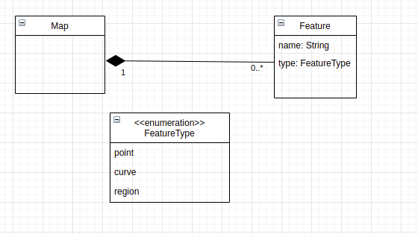
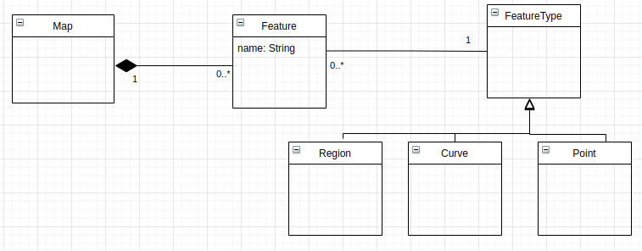

Classes – 9, Attributes – 17 (including enumeration items), Relationships (7), Cardinalities (10)

Artifact Type – Extracted Domain Model using our Proposed Tool

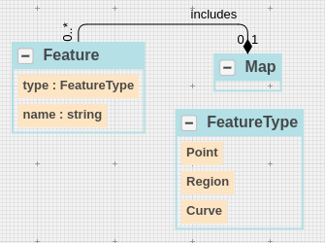

Category | Trace Link Source | Manual Trace Link Target | Manual Meta-data (sentence) | Manual Meta-data (word)
Class | Map | A system used by map makers at the Government of Ootumlia contains information about various maps. | S1 | Maps [15]
 |  | A map includes several features where each feature has a name. | S2 | paper [1]
Class | Feature | A map includes several features where each feature has a name. | S2 | features [4], feature [7]
 |  | Also, a feature can be curve, point, and region. | S3 | Feature [2]
Enumeration Class | FeatureType | Also, a feature can be curve, point, and region. | S3 | curve, point, region [5,6,8]
Class - Relevant Links (TP + FN) |  |  | 5
...

PD6
Artifact Type – Problem Description (Event Management System)
An event is organized in a venue. An event can be a concert event or a theatrical event. A venue can be an open venue or a closed venue. Each venue is comprised of multiple seats. These seats have different types of sections. A section can be of types - parquet center, balcony center, and others. Each seat has a number. The events are organized for different shows every 9 pm. Each show has a date.

Artifact Type – Some Possible Variations in the Ground Truth Domain Model

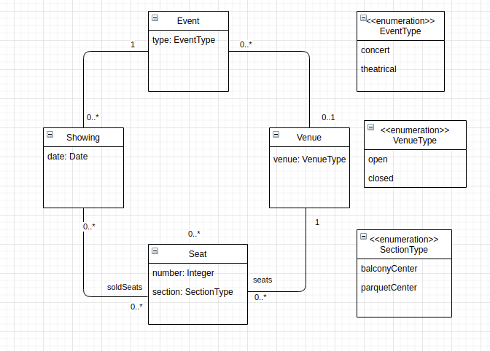
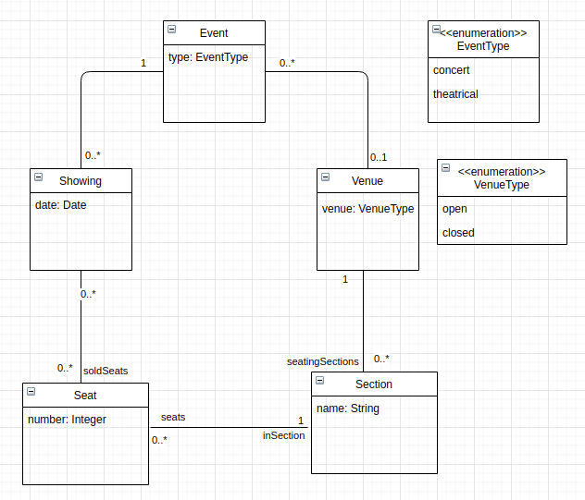

Classes – 9, Attributes – 17 (including enumeration items), Relationships (7), Cardinalities (10)

Artifact Type – Extracted Domain Model using our Proposed Tool

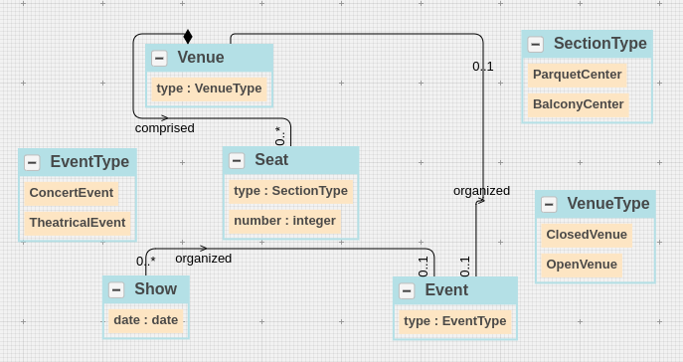

Category | Trace Link Source | Manual Trace Link Target | Manual Meta-data (sentence) | Manual Meta-data (word)
Class | Event | An event is organized in a venue. | S1 | event [1]
 |  | An event can be a concert event or a theatrical event. | S2 | event [1]
 |  | The events are organized for different shows every 9 pm . | S8 | events [1]
Class | Showing | The events are organized for different shows every 9 pm . | S8 | shows [6]
...

PD7
Artifact Type – Problem Description (Online Paper Review System)
To help the program chair, we are planning to develop a computer-assisted review system. The system will be available to users who can be authors, reviewers, and co-chairs. Each user has a name. Papers are known by the title and whether they are research papers or experience reports. The paper is reviewed by at least three reviewers. On the other side, the authors can submit as many papers as they want. When a reviewer logs in, she can consult the list of papers that have been assigned to her for review, and submit reviews for each of those papers. Each review has feedback as well as grade that can be Accept or Reject. A final decision is made by the chair for each paper.

Artifact Type – Some Possible Variations in the Ground Truth Domain Model

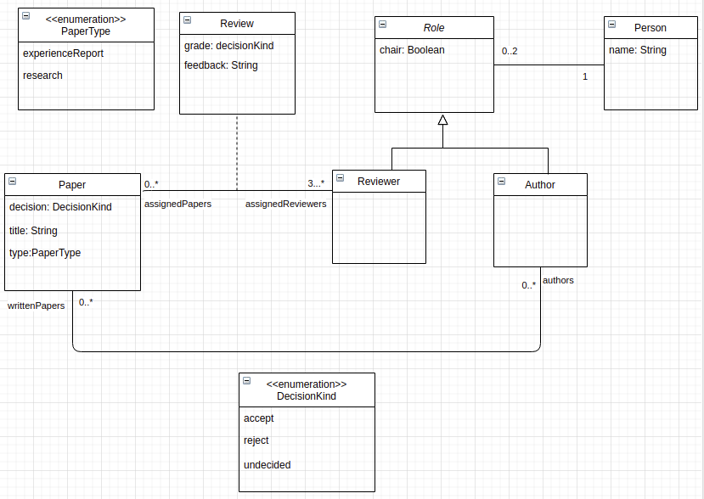

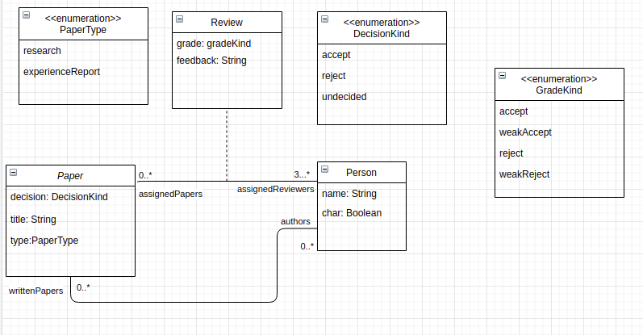

Classes – 9, Attributes – 17 (including enumeration items), Relationships (7), Cardinalities (10)

Artifact Type – Extracted Domain Model using our Proposed Tool

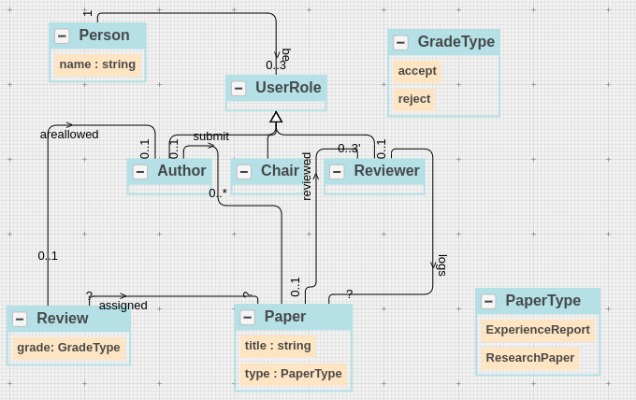

Category | Trace Link Source | Manual Trace Link Target | Manual Meta-data (sentence) | Manual Meta-data (word)
Class | Paper | Papers are known by the title and whether they are research papers or experience reports. | S4 | Papers [0]
 |  | The paper is reviewed by at least three reviewers | S5 | paper [1]
 |  | On the other side , the authors can submit as many papers as they want . | S6 | papers [10]
 |  | When a reviewer logs in , she can consult the list of papers that have been assigned to her for review , and submit reviews for each of those papers . | S7 | papers [11,27],
 |  | A final decision is made by the chair for each paper. | S9 | Paper [10]
Class | Reviewer | The system will be available to users who can be authors , reviewers , and co - chairs . | S2 | reviewers [11]
...

PD8
Artifact Type – Problem Description (Online Library Reservation System)
Online Library System (OLS) provides easy access to customers to order different library items. A customer can place multiple orders. The status of an order can be pending or completed. Furthermore, each order is composed of multiple item lines. Each item line has a quantity. An item line is associated with a library item. The library item can be a book item or a digital item. Each library item has a status. The status can be available, hold, or loan. The book item can be of types - eBook format or print format. On the other side, the digital item can be an audio item or a video item. In addition, a digital item also has two options - downloadable and disc.

Artifact Type – Some Possible Variations in the Ground Truth Domain Model

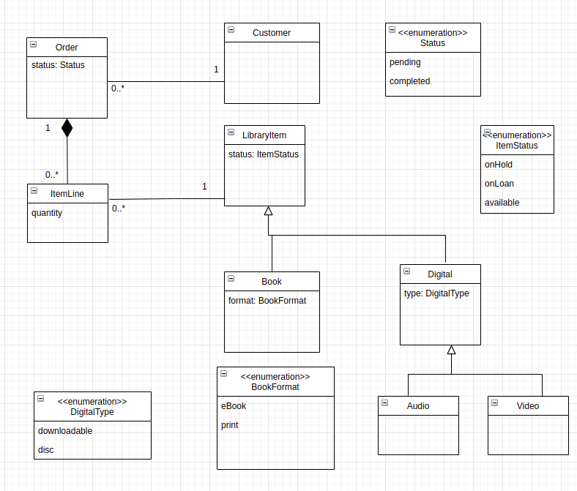

Classes – 9, Attributes – 17 (including enumeration items), Relationships (7), Cardinalities (10)

Artifact Type – Extracted Domain Model using our Proposed Tool

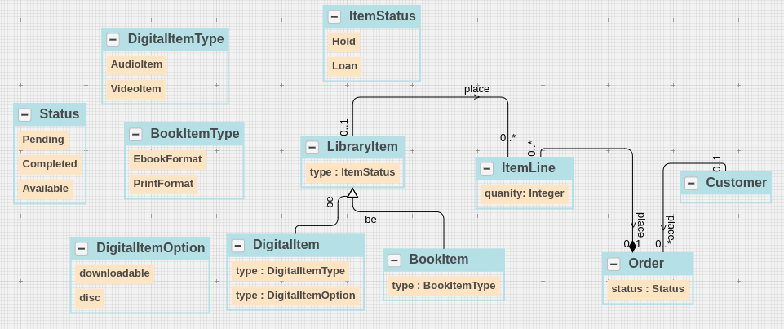

Category | Trace Link Source | Manual Trace Link Target | Manual Meta-data (sentence) | Manual Meta-data (word)
Class | Customer | Online Library System (OLS) provides easy access to customers to order different library items. | S1 | customers [8]
 |  | A customer can place multiple orders. | S2 | customer [1]
Class | Order | The status of an order can be pending or completed. | S3 | order [4]
...

PD9
Artifact Type – Problem Description (University Enrollment System)
University admits many students every year. Each student has a name and ID. A student can be a part-time student or a full-time student. After admission, students can attend up to five courses in a semester. The courses can be of types - research-based and project-based. University also allows students to drop the courses in the first two weeks. If a student drops the course within the first two weeks then no penalty is imposed by the university.

Artifact Type – Some Possible Variations in the Ground Truth Domain Model

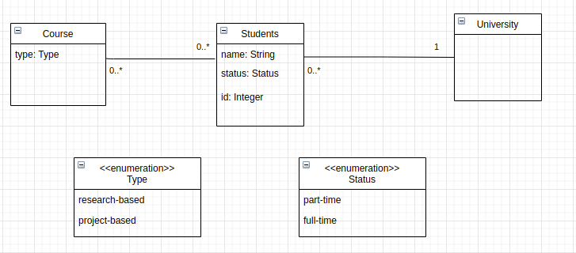

Classes – 9, Attributes – 17 (including enumeration items), Relationships (7), Cardinalities (10)

Artifact Type – Extracted Domain Model using our Proposed Tool

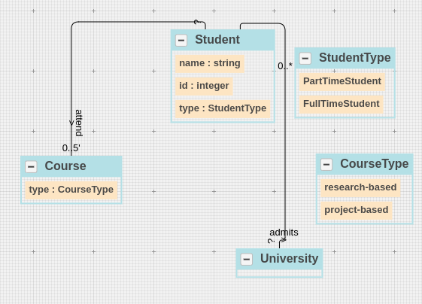

Category | Trace Link Source | Manual Trace Link Target | Manual Meta-data (sentence) | Manual Meta-data (word)
Class | University | University admits many students every year. | S1 | University [0]
 |  | University also allows students to drop the courses in the first two weeks. | S6 | University [0]
 |  | If a student drops the course within the first two weeks then no penalty is imposed by the university. | S7 | university [18]
Class | Student | University admits many students every year. | S1 | students [2]
 |  | Each student has a name and ID. | S2 | student [1]
 |  | A student can be a part-time student or a full-time student. | S3 | student [1]
 |  | University also allows students to drop the courses in the first two weeks. | S6 | students [3]
...

